Mini PCR Results
8/9/20 mini PCR run
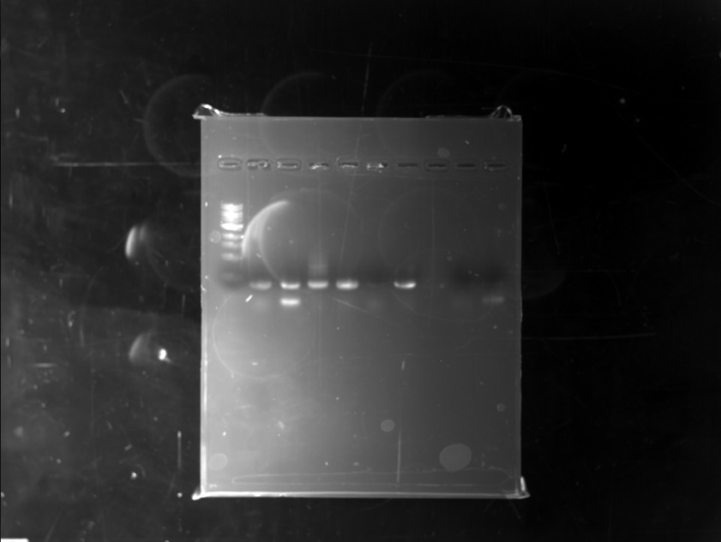
1) ladder
2) sample yp 8
3) sample yp 141
4) sample ENV 10-1
5) sample ENW-10 exposed to water
6) sample 5 inverts plankton tow
7) 8 plankton
8) skip | Results looked good.
9)water
10) extra

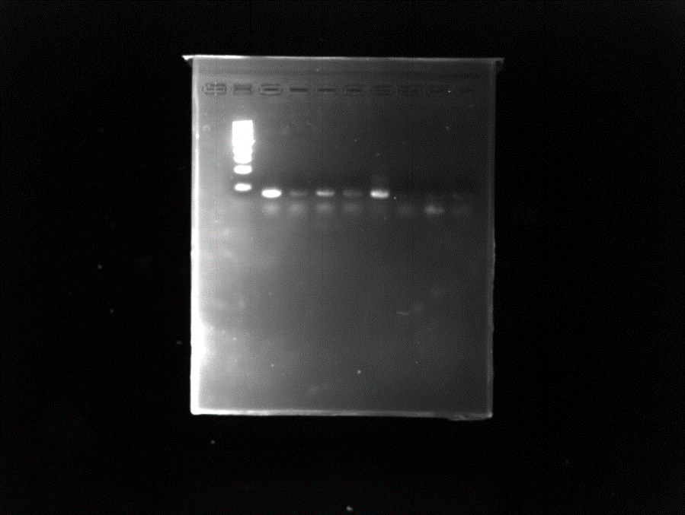
9/14/20 mini PCR run
1) skip
2) ladder
3) sample B2
4) sample D4
5) sample G6
6) sample A7
7) sample E8
8) sample F10
9) water
10) extra

 |  | Results looked good.

Full PCR run results
Full PCR Gel results
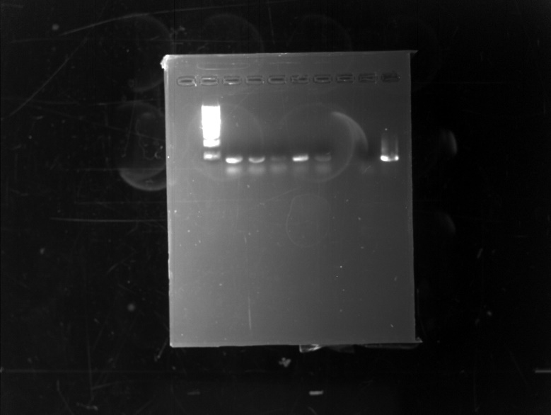
1) Skip
2) ladder
3) D1
4) G2
5) A4
6) H5
7) C8
8) Skip
9) water
10) mock

 | results looked good

